INTRO
SALES EXCEL ANALYSIS

Count of ID | Column Labels
Row Labels | 0 | 1 | 2 | 3 | 4 | Grand Total
No | 96 | 115 | 218 | 52 | 38 | 519
Yes | 151 | 152 | 124 | 33 | 21 | 481
Grand Total | 247 | 267 | 342 | 85 | 59 | 1000

ANALYSIS
This project focus on the sales.The dataset consists of various factors related to customers and their purchasing behavior.The project took 1027 records of people.each record is uniquely identified by id.

record of Data taken for analysis after data cleaning : 1000

FACTORS CONSIDERED RELATED TO CUSTOMERS
ANALYSIS

MARRIED /SINGLE | CUSTOMER STATUS COUNT | FEMALE/MALE | Customer Count | Education | Customer Count | Occupation | Customer Count | home Owners | Customer Count | Row Labels | Customer Count | purchased bikes | Customer Count
M | 538 | F | 489 | Bachelors | 306 | Clerical | 177 | No | 317 | 10+ Miles | 111 | No | 519
S | 462 | M | 511 | Graduate Degree | 174 | Management | 173 | Yes | 683 | Europe | 18 | Yes | 481
Grand Total | 1000 | Grand Total | 1000 | High School | 179 | Manual | 119 | Grand Total | 1000 | North America | 62 | Grand Total | 1000
 |  |  |  | Partial College | 265 | Professional | 276 |  |  | No | 47
 |  |  |  | Partial High School | 76 | Skilled Manual | 255 |  |  | Yes | 15
 |  |  |  | Grand Total | 1000 | Grand Total | 1000 |  |  | Pacific | 31
 |  |  |  |  |  |  |  |  |  | No | 16
 |  |  |  |  |  |  |  |  |  | Yes | 15
 |  |  |  |  |  |  |  |  |  | Grand Total | 111

INCOME RANGE | CUSTOMERS PURCHASED BIKES LIST |  | CAR DISTRIBUTION | CUSTOMERS PURCHASED BIKES |  | CUSTOMERS CHILDREN AND HOUSING DETAILS | CUSTOMERS PURCHASED BIKES LIST |  | EDUCATION/OCCUPATION LIST | CUSTOMER PURCHASED BIKES
10000 | 73 |  | 0 | 247 |  | No | 317 |  | Clerical | 177
No | 45 |  | No | 96 |  | 0 | 135 |  | No | 89
Yes | 28 |  | Yes | 151 |  | No | 68 |  | Bachelors | 15
20000 | 74 |  | 1 | 267 |  | Yes | 67 |  | Graduate Degree | 6
No | 43 |  | No | 115 |  | 1 | 33 |  | High School | 2
Yes | 31 |  | Yes | 152 |  | No | 15 |  | Partial College | 45
30000 | 135 |  | 2 | 342 |  | Yes | 18 |  | Partial High School | 21
No | 81 |  | No | 218 |  | 2 | 63 |  | Yes | 88
Yes | 54 |  | Yes | 124 |  | No | 29 |  | Bachelors | 34
40000 | 154 |  | 3 | 85 |  | Yes | 34 |  | Graduate Degree | 18
No | 64 |  | No | 52 |  | 3 | 40 |  | High School | 2
Yes | 90 |  | Yes | 33 |  | No | 17 |  | Partial College | 31
50000 | 40 |  | 4 | 59 |  | Yes | 23 |  | Partial High School | 3
No | 20 |  | No | 38 |  | 4 | 26 |  | Management | 173
Yes | 20 |  | Yes | 21 |  | No | 16 |  | No | 100
60000 | 165 |  | Grand Total | 1000 |  | Yes | 10 |  | Bachelors | 57
No | 84 |  |  |  |  | 5 | 20 |  | Graduate Degree | 34
Yes | 81 |  |  |  |  | No | 16 |  | High School | 6
70000 | 124 |  | REGION/DISTANCE | CUSTOMERS PURCHASED COUNT |  | Yes | 4 |  | Partial College | 3
No | 58 |  | 0-1 Miles | 366 |  | Yes | 683 |  | Yes | 73
Yes | 66 |  | Europe | 188 |  | 0 | 146 |  | Bachelors | 40
80000 | 91 |  | No | 83 |  | No | 71 |  | Graduate Degree | 25
No | 56 |  | Yes | 105 |  | Yes | 75 |  | High School | 6
Yes | 35 |  | North America | 126 |  | 1 | 136 |  | Partial College | 2
90000 | 39 |  | No | 69 |  | No | 57 |  | Manual | 119
No | 14 |  | Yes | 57 |  | Yes | 79 |  | No | 64
Yes | 25 |  | Pacific | 52 |  | 2 | 146 |  | Bachelors | 2
100000 | 29 |  | No | 14 |  | No | 83 |  | Graduate Degree | 4
No | 18 |  | Yes | 38 |  | Yes | 63 |  | High School | 22
Yes | 11 |  | 10+ Miles | 111 |  | 3 | 94 |  | Partial College | 14
110000 | 16 |  | Europe | 18 |  | No | 44 |  | Partial High School | 22
No | 8 |  | No | 15 |  | Yes | 50 |  | Yes | 55
Yes | 8 |  | Yes | 3 |  | 4 | 100 |  | Graduate Degree | 2
120000 | 18 |  | North America | 62 |  | No | 56 |  | High School | 22
No | 8 |  | No | 47 |  | Yes | 44 |  | Partial College | 22
Yes | 10 |  | Yes | 15 |  | 5 | 61 |  | Partial High School | 9
130000 | 32 |  | Pacific | 31 |  | No | 47 |  | Professional | 276
No | 17 |  | No | 16 |  | Yes | 14 |  | No | 126
Yes | 15 |  | Yes | 15 |  | Grand Total | 1000 |  | Bachelors | 37
150000 | 4 |  | 1-2 Miles | 169 |  |  |  |  | Graduate Degree | 13
No | 1 |  | Europe | 38 |  |  |  |  | High School | 30
Yes | 3 |  | No | 22 |  |  |  |  | Partial College | 46
160000 | 3 |  | Yes | 16 |  | BIKE PURCHASE WITH AGE | CUSTOMERS PURCHASED BIKES LIST |  | Yes | 150
Yes | 3 |  | North America | 108 |  | 25-34 | 220 |  | Bachelors | 55
170000 | 3 |  | No | 62 |  | No | 127 |  | Graduate Degree | 32
No | 2 |  | Yes | 46 |  | Yes | 93 |  | High School | 25
Yes | 1 |  | Pacific | 23 |  | 35-44 | 331 |  | Partial College | 34
Grand Total | 1000 |  | No | 8 |  | No | 134 |  | Partial High School | 4
 |  |  | Yes | 15 |  | Yes | 197 |  | Skilled Manual | 255
 |  |  | 2-5 Miles | 162 |  | 45-54 | 260 |  | No | 140
 |  |  | Europe | 40 |  | No | 128 |  | Bachelors | 26
 |  |  | No | 26 |  | Yes | 132 |  | Graduate Degree | 23
 |  |  | Yes | 14 |  | 55-64 | 130 |  | High School | 40
 |  |  | North America | 103 |  | No | 88 |  | Partial College | 38
 |  |  | No | 33 |  | Yes | 42 |  | Partial High School | 13
 |  |  | Yes | 70 |  | 65-74 | 55 |  | Yes | 115
 |  |  | Pacific | 19 |  | No | 39 |  | Bachelors | 40
 |  |  | No | 8 |  | Yes | 16 |  | Graduate Degree | 17
 |  |  | Yes | 11 |  | 75-84 | 3 |  | High School | 24
 |  |  | 5-10 Miles | 192 |  | No | 2 |  | Partial College | 30
 |  |  | Europe | 16 |  | Yes | 1 |  | Partial High School | 4
 |  |  | No | 6 |  | 85-94 | 1 |  | Grand Total | 1000
 |  |  | Yes | 10 |  | No | 1
 |  |  | North America | 109 |  | Grand Total | 1000
 |  |  | No | 77
 |  |  | Yes | 32
 |  |  | Pacific | 67
 |  |  | No | 33
 |  |  | Yes | 34
 |  |  | Grand Total | 1000

CHARTS
BIKE SALES DASHBOARD


 | Total
Bachelors | 15
Graduate Degree | 6
High School | 2
Partial College | 45
Partial High School | 21
Bachelors | 57
Graduate Degree | 34
High School | 6
Partial College | 3
Bachelors | 2
Graduate Degree | 4
High School | 22
Partial College | 14
Partial High School | 22
Bachelors | 37
Graduate Degree | 13
High School | 30
Partial College | 46
Bachelors | 26
Graduate Degree | 23
High School | 40
Partial College | 38
Partial High School | 13
Bachelors | 34
Graduate Degree | 18
High School | 2
Partial College | 31
Partial High School | 3
Bachelors | 40
Graduate Degree | 25
High School | 6
Partial College | 2
Graduate Degree | 2
High School | 22
Partial College | 22
Partial High School | 9
Bachelors | 55
Graduate Degree | 32
High School | 25
Partial College | 34
Partial High School | 4
Bachelors | 40
Graduate Degree | 17
High School | 24
Partial College | 30
Partial High School | 4

489



511

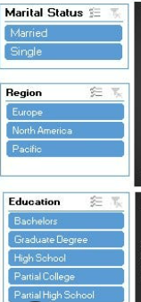

 | 0 | 1 | 2 | 3 | 4
No | 96 | 115 | 218 | 52 | 38
Yes | 151 | 152 | 124 | 33 | 21
 |  | Row Labels | Count of ID
 |  | 10000 | 73 | Count of ID | Column Labels |  |  |  |  | Row Labels | CUSTOMER COUNT
 |  | No | 45 | Row Labels | Europe | North America | Pacific | Grand Total |  | F | 489
 |  | Yes | 28 | No | 152 | 288 | 79 | 519 |  | No | 250
 |  | 20000 | 74 | 0-1 Miles | 83 | 69 | 14 | 166 |  | Yes | 239
 |  | No | 43 | 10+ Miles | 15 | 47 | 16 | 78 |  | M | 511
 |  | Yes | 31 | 1-2 Miles | 22 | 62 | 8 | 92 |  | No | 269
 |  | 30000 | 135 | 2-5 Miles | 26 | 33 | 8 | 67 |  | Yes | 242
 |  | No | 81 | 5-10 Miles | 6 | 77 | 33 | 116 |  | Grand Total | 1000
 |  | Yes | 54 | Yes | 148 | 220 | 113 | 481
 |  | 40000 | 154 | 0-1 Miles | 105 | 57 | 38 | 200
 |  | No | 64 | 10+ Miles | 3 | 15 | 15 | 33
 |  | Yes | 90 | 1-2 Miles | 16 | 46 | 15 | 77
 |  | 50000 | 40 | 2-5 Miles | 14 | 70 | 11 | 95
 |  | No | 20 | 5-10 Miles | 10 | 32 | 34 | 76
 |  | Yes | 20 | Grand Total | 300 | 508 | 192 | 1000
 |  | 60000 | 165
 |  | No | 84
 |  | Yes | 81
 |  | 70000 | 124 |  |  |  |  |  |  | Row Labels | Count of ID
 |  | No | 58 |  |  |  |  |  |  | M | 538
 |  | Yes | 66 |  |  |  |  |  |  | No | 307
 |  | 80000 | 91 |  |  |  |  |  |  | Yes | 231
 |  | No | 56 |  |  |  |  |  |  | S | 462
 |  | Yes | 35 |  |  |  |  |  |  | No | 212
 |  | 90000 | 39 |  |  |  |  |  |  | Yes | 250
 |  | No | 14 |  |  |  |  |  |  | Grand Total | 1000
 |  | Yes | 25
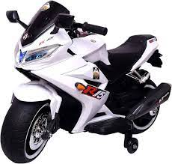
 |  | 100000 | 29
 |  | No | 18
 |  | Yes | 11
 |  | 110000 | 16
 |  | No | 8
 |  | Yes | 8 |  |  |  |  |  | PURCHASED BIKE CONSIDERING GENDER
 |  | 120000 | 18
 |  | No | 8
 |  | Yes | 10
 |  | 130000 | 32
 |  | No | 17
 |  | Yes | 15
 |  | 150000 | 4
 |  | No | 1
 |  | Yes | 3
 |  | 160000 | 3
 |  | Yes | 3
 |  | 170000 | 3
 |  | No | 2
 |  | Yes | 1
 |  | Grand Total | 1000

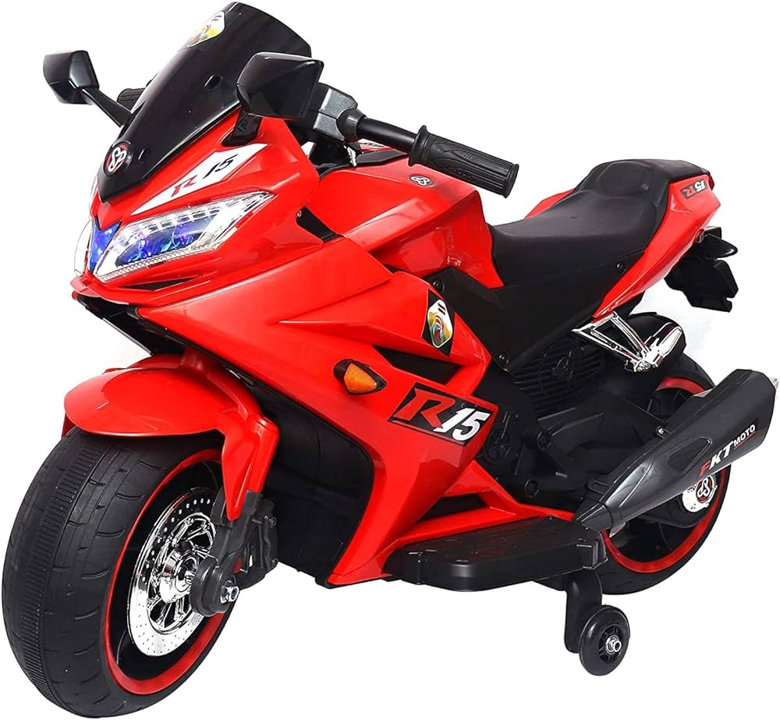

 | Total
No | 96
Yes | 151
No | 115
Yes | 152
No | 218
Yes | 124
No | 52
Yes | 33
No | 38
Yes | 21

Row Labels | Customer Count
10+ Miles | 111
Europe | 18
North America | 62
No | 47
Yes | 15
Pacific | 31
No | 16
Yes | 15
Grand Total | 111

